Lip Gloss CTL
LIPGLOSS |  |  |  |  |  |  | DISTRIBUIÇÃO DE VOLUMES
Foto | REF | Descrição | Tipo | QNTD: Pack c/24 | Valor do Pack | Total | volume | volume | volume | volume | volume | volume | volume | volume
 | L-593A | Juice Bomb 10g | Gloss | 84 | R$ 84.00 | R$ 7,056.00 | 17 | 20 | 18 | 29
 | LC8083 | LipGloss | Batom +Gloss | 44 | R$ 84.00 | R$ 3,696.00 | 44
 | LC8086 | LipGloss Candy Bingo | Batom +Gloss | 4 | R$ 84.00 | R$ 336.00 | 4
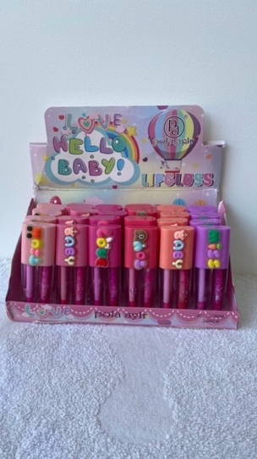 | LC8098 | LipGloss Hello Baby | Gloss Duplo | 57 | R$ 84.00 | R$ 4,788.00 | 24 | 33
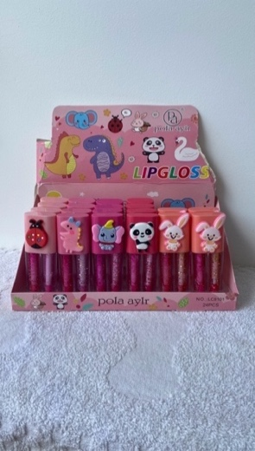 | LC8101 | LipGloss | Gloss Duplo | 2 | R$ 84.00 | R$ 168.00 | 2
 | L-687 | LipOil Sweet New 12ml | Gloss | 40 | R$ 84.00 | R$ 3,360.00 | 40
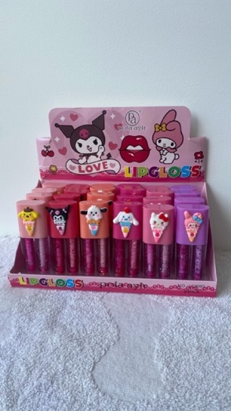 | LC8093 | LipGloss My Melody | Gloss Duplo | 79 | R$ 84.00 | R$ 6,636.00 | 17 | 14 | 16 | 16 | 16
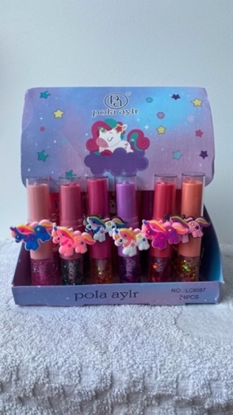 | LC8087 | LipGloss Believe Unicorns | Batom +Gloss | 53 | R$ 84.00 | R$ 4,452.00 | 33 | 20 | 20
 | TOTAIS |  |  | 363 |  | R$ 30,492.00 | 16 volumes / 20kg cada = 320kg

 |  |  |  | 8712 | R$ 3.50 | R$ 30,492.00

